Sheet1
Food App : Lieferando (Food Eats) |  | Source
City : Munich

Population | 1472000
Percentage of Population between 15 and 65(Considered Earning) | 70% | https://www.google.com/url?sa=t&rct=j&q=&esrc=s&source=web&cd=&ved=2ahUKEwiSotbRxNH0AhVbR_EDHfSDCjYQFnoECCwQAQ&url=https%3A%2F%2Fwww.muenchen.de%2Frathaus%2Fdam%2Fjcr%3A18620b56-5ce4-414a-b2c0-94e364629aa2%2Fmb130202.pdf&usg=AOvVaw159BKncTQOz_2iZWfV21Oi
Average order size | €20.74 | https://www.food-service.de/maerkte/news/takeaway.com-1.-hj-2019-lieferando-steigert-zahl-der-bestellungen-um-85--43376
Lieferandos Share | 30% | Standard Charge by Lieferando to its restaurants
Lieferandos Revenue | €6.22

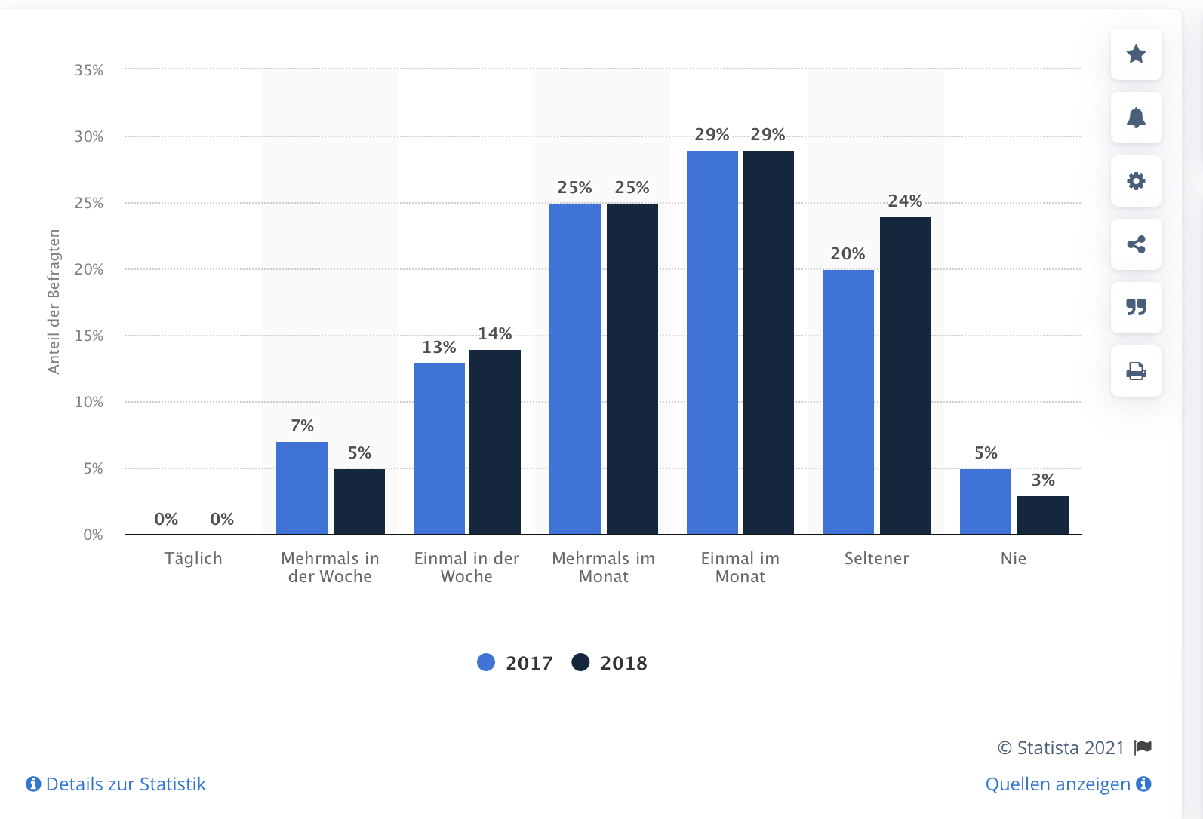
Average Electric Bike Speed (km/h) | 17 | https://tu-dresden.de/bu/verkehr/ivs/vpsy/ressourcen/dateien/publikationen/Schleinitz-et-al-2017-authors.pdf?lang=en
Average Distance per Order (km) | 2.2 | https://www.lieferando.de/en/courier/munich
Average Time per Order (h) | 0.1294117647
Salary of Delivery Riders per Hour (€) | €18.00 | https://www.lieferando.de/en/courier/munich
Salary for Average Order (€) | €2.33

Profit | €3.89

Most people order twice per month (Judging by curve) | 2 | ----------------------------------------------------------->
Number of Orders per month | 2060800
Revenue Per Month | €12,822,297.60
Profit Per Month | €8,021,845.84

